HTOL
高温動作寿命 High Temperature Operating Life |  |  |  |  | 目標耐久寿命 Target of lifetime (year) |  |  |  | 10 | 稼動比 Duty (%) |  | 100

実際の稼働条件と稼働時間 Actual operation conditions & operation time |  |  |  |  |  |  |  |  |  | 実際の各稼働時間に相当する試験時間 Test time for the actual operation time
Temp. (°C) | Ratio (%) |  | Time (h) |  |  | Remarks |  |  |  | Acceleration rate (times) |  |  |  | Test time (h)

40 | 30 |  | 26280 |  |  |  |  |  |  | 1878 |  |  |  | 14.0
50 | 20 |  | 17520 |  |  |  |  |  |  | 842 |  |  |  | 20.8
60 | 20 |  | 17520 |  |  |  |  |  |  | 396 |  |  |  | 44.3
70 | 20 |  | 17520 |  |  |  |  |  |  | 194 |  |  |  | 90.1
80 | 10 |  | 8760 |  |  |  |  |  |  | 99 |  |  |  | 88.1

Amount | 100 (%) |  | 87600 (h) |  |  |  |  |  |  |  |  | Amount (h) |  | 257.2
C
サンプル仕様 Specifications of the test sample |  |  |  |  |  |  | 目標耐久性に相当する試験時間 Test time correspond with the target of lifetime (h)
Typical voltage (V)
5 |  |  |  |  |  |  | 257.2

高温動作試験条件 High Temp. Operating Life test conditions |  |  |  |  |  |  | サンプル数と試験時間 The sample size & the test time
Temp. (°C) | Voltage (V) |  |  |  |  |  | Conditions: Based on the binominal distribution and the Weibull distribution. In the case of 0 failure, the test is judged to be pass.
125 | 5.5

加速モデル Acceleration modeｌ: |  |  |  |  |  |  |  | Sampling% @C.L. (%) | Sample size (pcs) |  | Test time (h) |  | Sample size (pcs) | Test time (h)
1) Vg model: TTF=A exp(Ea/kT) exp(-βVg)
Ea | β |  | n |  |  |  |  | 1 | 230 |  | 555 |  | 22 | 1213
0.7 | 4 |  | 35 |  |  |  |  | 2 | 114 |  | 701
 |  |  |  |  |  |  |  | 5 | 45 |  | 955 |  | Test time (h) | Sample size (pcs)
Cumulative failure on the lifetime (%) |  | Value m of the Weibull distribution |  | Confidence level (C.L.) (%) |  |  |  | 10 | 22 |  | 1213
 |  |  |  |  |  |  |  | 20 | 11 |  | 1528 |  | 1213 | 22
0.1 |  | 3 |  | 90

T Cycle
温度サイクル Temperature Cycle |  |  |  |  |  |  |  | 目標耐久寿命 Target of lifetime (year) |  |  |  | 10 | 1日のサイクル数 Cycle/day |  | 4

実際の使用条件とサイクル数 Actual usage conditions & cycle count |  |  |  |  |  |  |  |  |  |  |  |  | 実際のサイクル数に相当する試験サイクル数 Test cycles for the actual cycle count
ΔT (°C) | Ratio (%) |  |  | Max. Temp. (°C) |  | Cycle (cyc.) |  |  | Remarks |  |  |  | Acceleration rate (times) |  |  |  | Test time (cyc.)

20 | 15 |  |  | 50 |  | 2190 |  |  |  |  |  |  | 11038 |  |  |  | 0.2
30 | 20 |  |  | 60 |  | 2920 |  |  |  |  |  |  | 2180 |  |  |  | 1.3
40 | 20 |  |  | 70 |  | 2920 |  |  |  |  |  |  | 690 |  |  |  | 4.2
50 | 15 |  |  | 80 |  | 2190 |  |  |  |  |  |  | 283 |  |  |  | 7.8
60 | 10 |  |  | 90 |  | 1460 |  |  |  |  |  |  | 136 |  |  |  | 10.7
70 | 10 |  |  | 100 |  | 1460 |  |  |  |  |  |  | 74 |  |  |  | 19.8
80 | 10 |  |  | 110 |  | 1460 |  |  |  |  |  |  | 43 |  |  |  | 33.9

Amount | 100 |  | (%) |  |  | 14600 | (cyc.) |  |  |  |  |  |  |  | Amount (cyc.) |  | 77.9
C
 |  |  |  |  |  |  |  |  |  | 目標耐久性に相当する試験サイクル数 Test cycle correspond with the target of lifetime (h)

 |  |  |  |  |  |  |  |  |  | 77.9

温度サイクル試験条件 Temp. Cycle test conditions |  |  |  |  |  |  |  |  |  | サンプル数と試験サイクル数 The sample size & the test cycle
High temp. (°C) | Low temp. (°C) |  |  | ΔT (°C) |  | Cycle/day |  |  |  | Conditions: Based on the binominal distribution and the Weibull distribution. In the case of 0 failure, the test is judged to be pass.
150 | -55 |  |  | 205 |  | 72

加速モデル Acceleration modeｌ: |  |  |  |  |  |  |  |  |  |  | Sampling% @C.L. (%) | Sample size (pcs) |  | Test time (cyc.) |  | Sample size (pcs) | Test time (cyc.)
1) Coffin-Manson : TTF=A (ΔT)^(-n)
n | n0 |  |  | m0 |  | Ea |  |  |  |  | 1 | 230 |  | 139 |  | 45 | 209
4 | 2 |  |  | 0.3 |  | 0.1 |  |  |  |  | 2 | 114 |  | 166
 |  |  |  |  |  |  |  |  |  |  | 5 | 45 |  | 209 |  | Test time (cyc) | Sample size (pcs)
Cumulative failure on the lifetime (%) |  | Value m of the Weibull distribution |  |  | Confidence level (C.L.) (%) |  |  |  |  |  | 10 | 22 |  | 250
 |  |  |  |  |  |  |  |  |  |  | 20 | 11 |  | 297 |  | 209 | 45
0.1 |  | 4 |  |  | 90

 |  |  |  |  | 90

Update Description
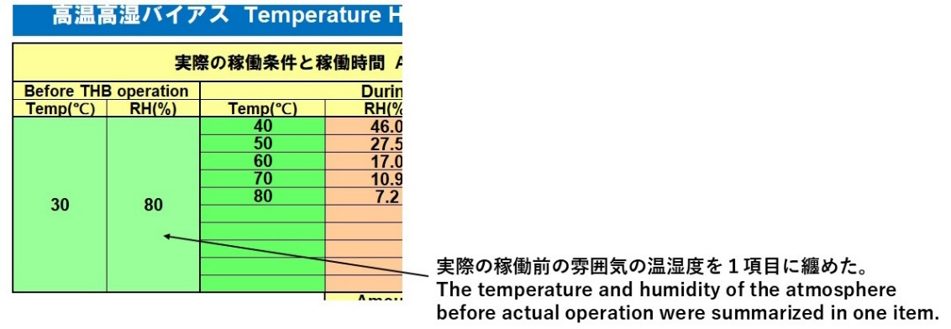 計算シートのバージョンV1.XからV2.Xへの変更内容 Changes in the spreadsheet version from V1.X to V2.X 1) JEITAサイトから本計算シートのダウンロード時に起こるセキュリティチェックエラー回避のため、Visual Basicプログラムを削除。 The Visual Basic program was deleted to avoid security check errors that occur when downloading this spreadsheet from the JEITA website. 2) 従来は加速式などの変数を変更しても保存時にはその値を標準値に戻していたが、今後は変更した値を保存できるようにした。そして、標準値を下図の様に表示することにした。 Previously, even if the values of variables were changed, they were reset to their typical values when saved. However, from now on, it will be possible to save the changed values. The typical values will be displayed as shown in the figure below. 3) 各シートにおける実際の稼働条件等の入力可能数を6項目（又は3項目）から10項目に変更した。 The number of items that can be entered for actual operating conditions, etc. on each sheet has been changed from 6 (or 3) to 10. 4) THBとTHSのシートにおいて、実際の稼働前の雰囲気の温湿度を下図のように１項目に纏めた。 The temperature and humidity of the atmosphere prior to actual operation in the THB and THS sheets are summarized in one item as shown in the figure below.

